SUMMARY
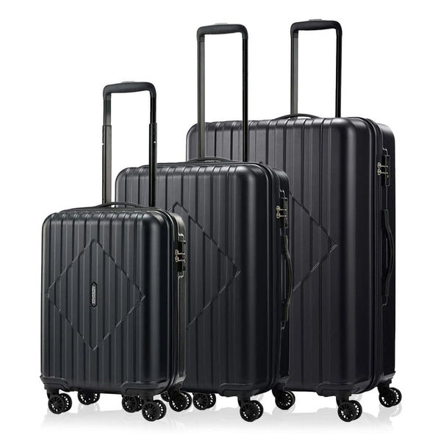
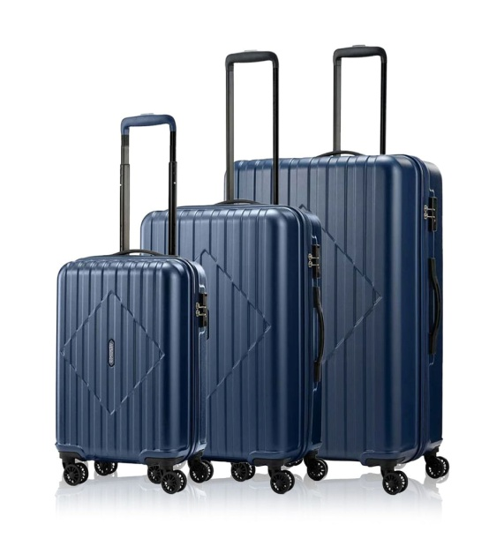
 |  |  |  | AMERICAN TOURISTER - SKYTRAC 3PCS SET

STYLE CODE | IMAGE | STYLE | COLOURWAY | EAN CODE | COO | SIZE - DIMENSION (CM) - VOLUME (L) - WEIGHT (KG) | MATERIAL | PACK SIZE | TOTAL CARTONS | TOTAL QUANTITY
HZ9 (*) 09 033 |  | AT SKYTRAC 3PC SET(SP55/68/79T)DW V2BLACK | BLACK | 5400520360236 | CHINA | Size 55 - 36 cm x 55 cm x 24 cm - 35 (l) - 2.8 (kg) Size 68 - 46 cm x 68 cm x 30 cm - 65 (l) - 3.8 (kg) Size 79 - 54 cm x 79 cm x 35 cm - 115 (l) - 4.7 (kg) | • MATERIAL: ABS • WARRANTY: 3 YEARS INTERNATIONAL • 360° DOUBLE WHEELS • TSA COMBI LOCK • MULTI-POCKET INTERIOR EXPANDER • WEBBING PACKING STRAP • SCRATCH RESISTANT TEXTURE • RPET LINING | 1 | 2,000 | 2,000
HZ9 (*) 41 033 |  | AT SKYTRAC 3PC SET(SP55/68/79T)DW V2NAVY | NAVY | 5400520360243 | CHINA | Size 55 - 36 cm x 55 cm x 24 cm - 35 (l) - 2.8 (kg) Size 68 - 46 cm x 68 cm x 30 cm - 65 (l) - 3.8 (kg) Size 79 - 54 cm x 79 cm x 35 cm - 115 (l) - 4.7 (kg) | • MATERIAL: ABS • WARRANTY: 3 YEARS INTERNATIONAL • 360° DOUBLE WHEELS • TSA COMBI LOCK • MULTI-POCKET INTERIOR EXPANDER • WEBBING PACKING STRAP • SCRATCH RESISTANT TEXTURE • RPET LINING | 1 | 1,000 | 1,000
 |  |  |  |  |  |  |  |  |  | 3,000

IMAGES
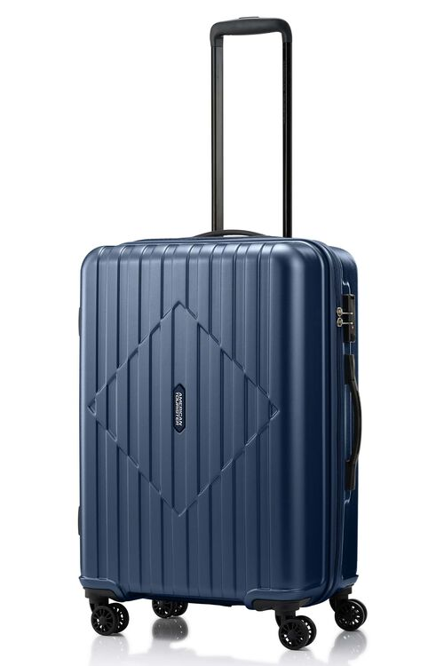

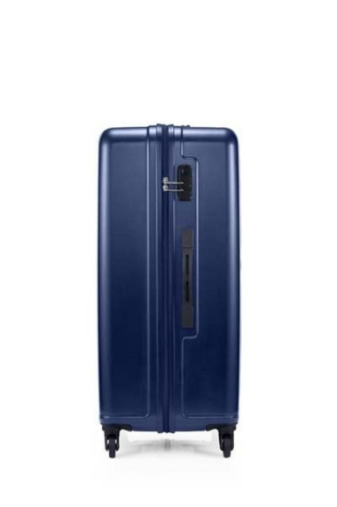
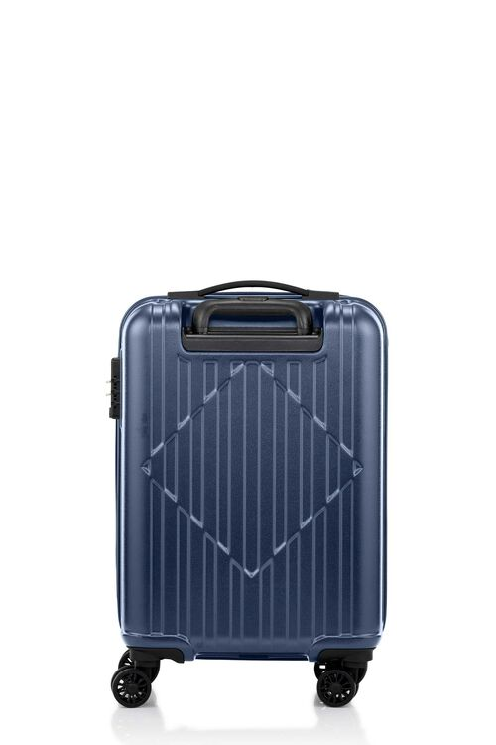
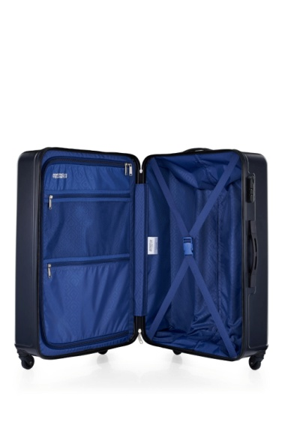
AT SKYTRAC 3PC SET(SP55/68/79T)DW V2BLACK

IMAGE #1 | IMAGE #2 | IMAGE #3 | IMAGE #4 | IMAGE #5

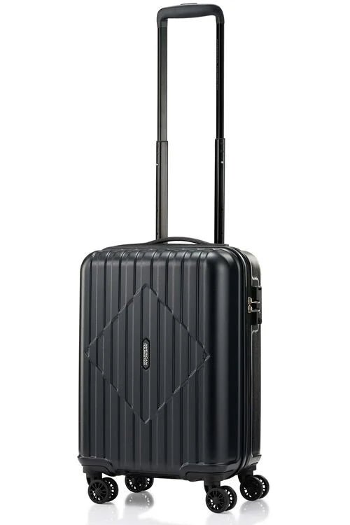
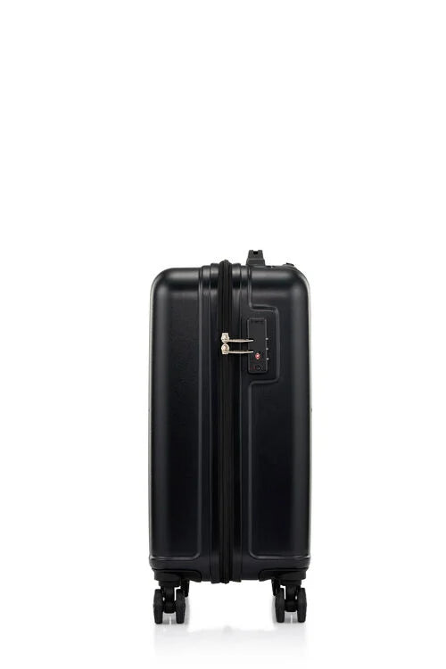
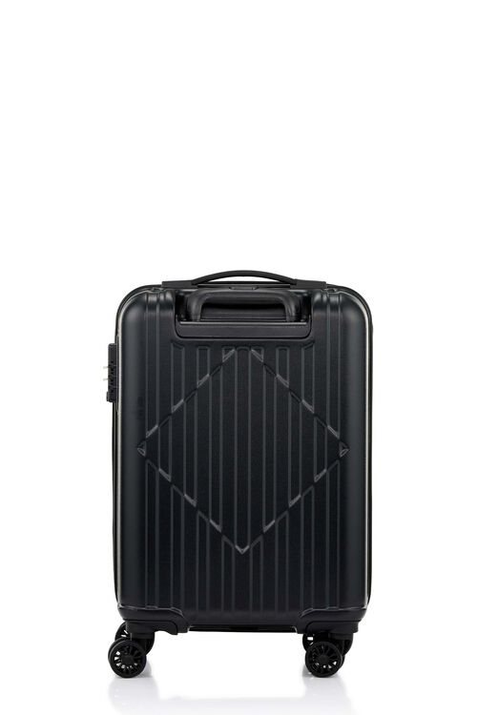
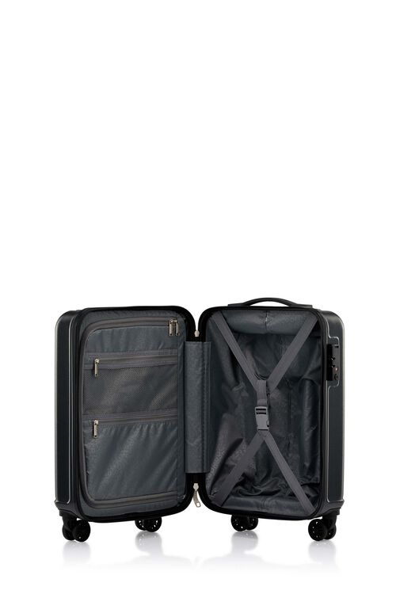

AT SKYTRAC 3PC SET(SP55/68/79T)DW V2NAVY

IMAGE #1 | IMAGE #2 | IMAGE #3 | IMAGE #4 | IMAGE #5

